Flowchart
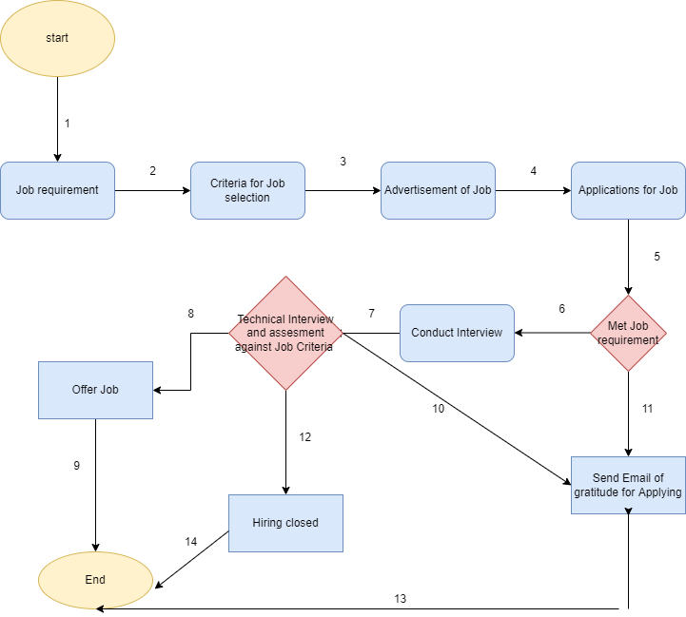
QUESTION#02: | FLOWCHART OF EMPLOYE HIRING

